Hoja1
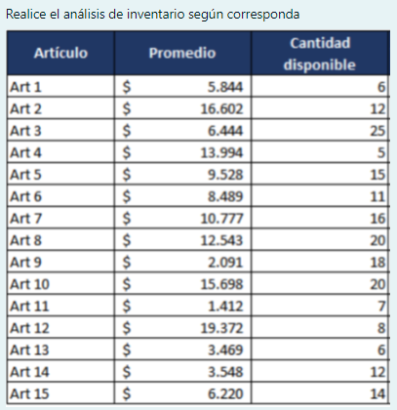

CODIGO | PRECIO UNITARIO | DEMANDA | INVERSION
ART 1 | Q5,844.00 | 6 | Q35,064.000
ART 2 | Q16,602.00 | 12 | Q199,224.000
ART 3 | Q6,444.00 | 25 | Q161,100.000
ART 4 | Q13,994.00 | 5 | Q69,970.000
ART 5 | Q9,528.00 | 15 | Q142,920.000
ART 6 | Q8,489.00 | 11 | Q93,379.000
ART 7 | Q10,777.00 | 16 | Q172,432.000
ART 8 | Q12,543.00 | 20 | Q250,860.000
ART 9 | Q2,091.00 | 18 | Q37,638.000
ART 10 | Q15,698.00 | 20 | Q313,960.000
ART 11 | Q1,412.00 | 7 | Q9,884.000
ART 12 | 19372 | 8 | Q154,976.000
ART 13 | 3469 | 6 | Q20,814.000
ART 14 | 3548 | 12 | Q42,576.000
ART 15 | 6220 | 14 | Q87,080.000
TOTAL |  |  | Q1,704,797.00

CODIGO | PRECIO UNITARIO | DEMANDA | INVERSION | INVERSION ACUMULADA | % | ZONA | %
ART 10 | Q15,698.00 | 20 | Q313,960.000 | Q313,960.00 | 17.52% | A | 77.88%
ART 8 | Q12,543.00 | 20 | Q250,860.000 | Q564,820.00 | 31.52%
ART 2 | Q16,602.00 | 12 | Q199,224.000 | Q764,044.00 | 42.64%
ART 7 | Q10,777.00 | 16 | Q172,432.000 | Q936,476.00 | 52.26%
ART 3 | Q6,444.00 | 25 | Q161,100.000 | Q1,097,576.00 | 61.25% |  |  | 80% - 95%
ART 12 | 19372 | 8 | Q154,976.000 | Q1,252,552.00 | 69.90%
ART 5 | Q9,528.00 | 15 | Q142,920.000 | Q1,395,472.00 | 77.88% |  |  | 95% - 100%
ART 6 | Q8,489.00 | 11 | Q93,379.000 | Q1,488,851.00 | 83.09% | B | 16.35%
ART 15 | 6220 | 14 | Q87,080.000 | Q1,575,931.00 | 87.95%
ART 4 | Q13,994.00 | 5 | Q69,970.000 | Q1,645,901.00 | 91.85%
ART 14 | 3548 | 12 | Q42,576.000 | Q1,688,477.00 | 94.23%
ART 9 | Q2,091.00 | 18 | Q37,638.000 | Q1,726,115.00 | 96.33% | C | 5.77%
ART 1 | Q5,844.00 | 6 | Q35,064.000 | Q1,761,179.00 | 98.29% |  |  | 0-80%
ART 13 | 3469 | 6 | Q20,814.000 | Q1,781,993.00 | 99.45%
ART 11 | Q1,412.00 | 7 | Q9,884.000 | Q1,791,877.00 | 100.00%
TOTAL |  |  | Q1,791,877.00

 | ZONA | ELEMENTOS | % ARTICULOS | % ACUMULADO | % INVERSION | % INVER ACU
0-80% | A | 7 | 46.7% | 46.7% | 77.88% | 77.88%
80% - 95% | B | 4 | 26.7% | 73.3% | 16.35% | 94.23%
95% - 100% | C | 4 | 26.7% | 100.0% | 5.77% | 100.00%
 |  | 15 | 100.0%

